编号1-18
编号 | 名称 | 图片 | 参数及功能需求 | 推荐链接 | 地点
1 | 高清电视TV |  | 1、电视带支架可移动 2、75寸 |  | 教室Arch 2/GD 1／IND 1／INTD 1
2 | 电视机TV＋可视频设备套装 |  | 1、电视带支架可移动 2、75寸 3、带视频功能，可以在线和美肯视频授课 |  | 教室Arch1/Design 1
3 | A3多功能打印机print/scan/copy |  | 1、带扫描、彩打、复印功能 2、可以打印最大画幅A3 |  | 分布在三层及四层的STUDIO的公共空间 Arch 3/GD 2／IND 1／INTD 1
4 | A0佳能绘图仪 A0 Plotter Printer | 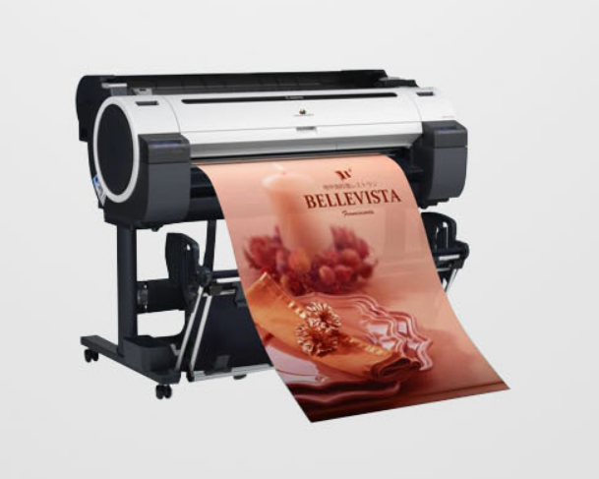 | 佳能Canon IPF771 大幅面打印机，绘图仪，A0打印机，5色，36英寸 IPF771 | https://item.jd.com/1643563206.html
5 | 泡沫切割机Foam cutting machine | 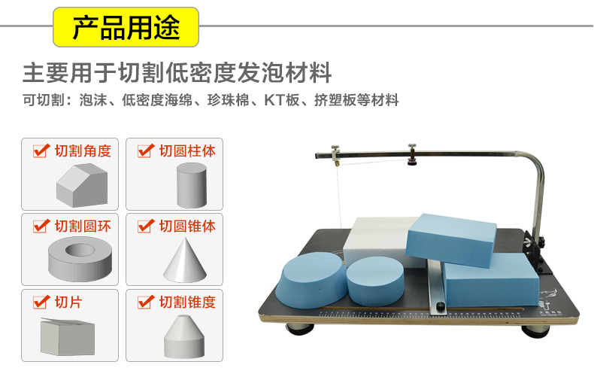 | 切割泡沫，板材切割 台面尺寸38*78cm | https://detail.tmall.com/item.htm?spm=a230r.1.14.6.5da29eb1Fc1FTl&id=535429924014&cm_id=140105335569ed55e27b&abbucket=9&skuId=3438142259083 | Arch studio
6 | 3D打印机3D printer |  | 30X30cm |  | Arch studio
7 | 照相机 Camera |  | 1、佳能5D MARK IV 2、佳能百微镜头EF 100mm F 2.8
8 | 小摄影棚Small studio | 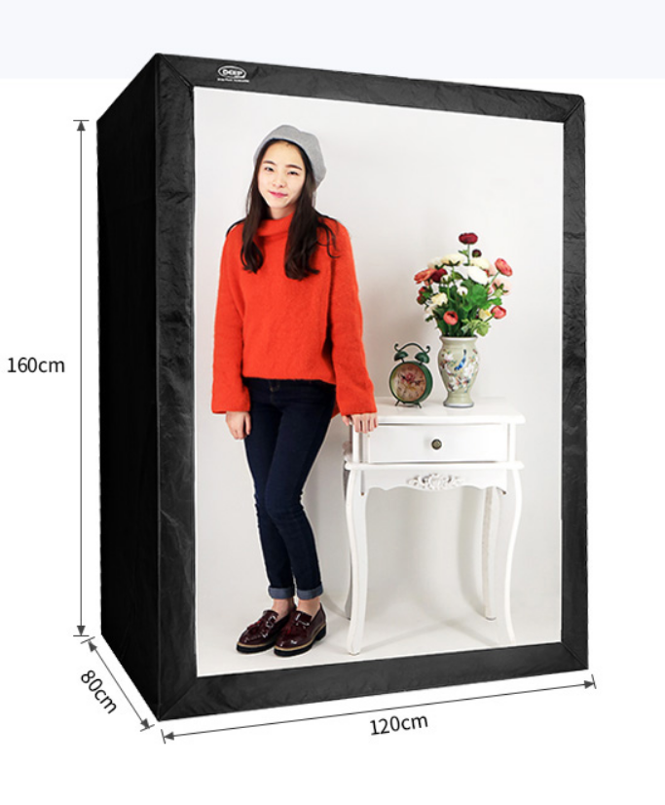 | 1.6X1.6M | https://detail.tmall.com/item.htm?spm=a220o.1000855.1998025129.2.227a28b6PieWeD&pvid=d298a1d6-6e44-48a3-a03a-44bc4e85b0b8&pos=2&acm=03054.1003.1.2768562&id=521467163256&scm=1007.16862.95220.23864_0
9 | 大型空气压缩机Large air compressor | 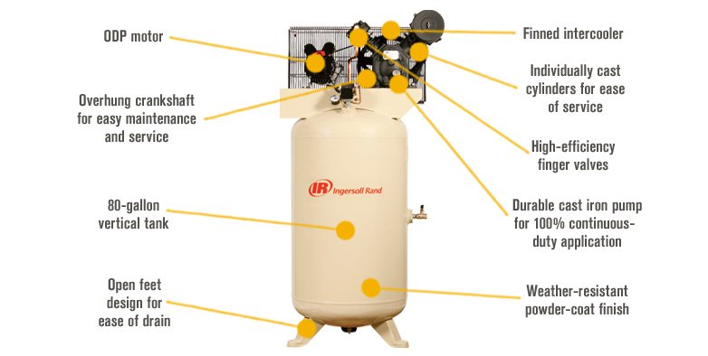 | 王英格索兰Type-30往复式空气压缩机 80加仑5马力 | https://www.northerntool.com/shop/tools/product_200367720_200367720?cm_mmc=Google-pla&utm_source=Google_PLA&utm_medium=Air%20Tools%20%2B%20Compressors%20%3E%20Electric%20Air%20Compressors%20%3E%2019%20Cfm%20%2B%20Below%20Air%20Compressors&utm_campaign=Ingersoll%20Rand&utm_content=1592012A&gclid=EAIaIQobChMIg_D00O-L2wIV1FqGCh1Rbwl1EAQYASABEgI80fD_BwE
10 | 桌锯Table Saw | 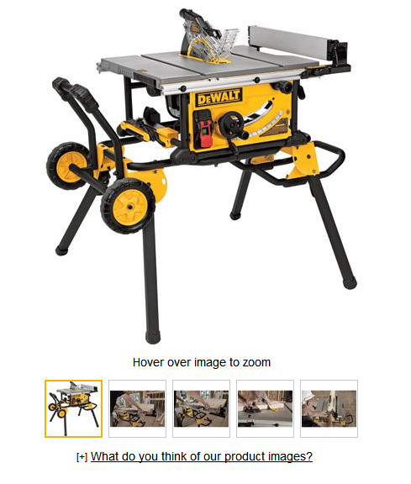 | 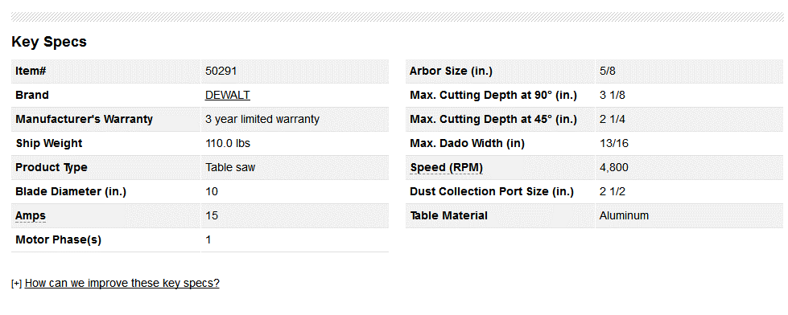 | https://www.northerntool.com/shop/tools/product_200653256_200653256?cm_mmc=Google-pla&utm_source=Google_PLA&utm_medium=Power%20Tools%20%3E%20Woodworking&utm_campaign=DEWALT&utm_content=50291&gclid=EAIaIQobChMItrqTku-L2wIVR7bACh1d2AIcEAQYASABEgJ8ovD_BwE
11 | 9.5安培14英寸2速木材切割带锯 | 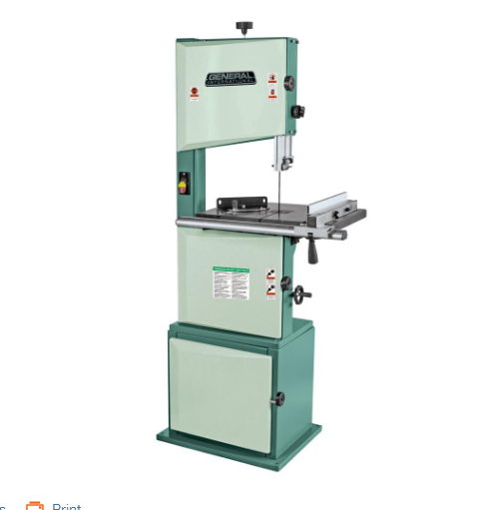 | 平稳耐用的重型1马力，坚固的焊接钢架和精密平衡车轮，可更换轮胎，易于组装的开放式底座钢支架 精确易于调整的欧式刀片导向轴承，2种切削速度，可在硬木或软木中获得出色的结果 斜角规包括铝制横切栅栏，铰链门和易于使用的刀片张力旋钮，可快速更换和调整刀片 超大型21-1 / 2英寸x 15-3 / 4英寸铸铁工作台，带可拆卸钥匙的安全锁定开关，防止未经授权的使用 车轮尺寸：14英寸，车轮速度为2：436和909 RPM，叶片速度为2：1575和3280 lin。 Fpm，刀片宽度：1/8英寸 - 3/4英寸，刀片长度：100-3 / 4英寸。 工作台尺寸：21-1 / 2英寸x 15-3 / 4英寸，工作台倾斜：0°至45°（右），工作台高度：39-3 / 8英寸，电机M1：1 HP，120-伏，1相，9.5安培 最大切割宽度：13-3 / 8英寸，最大切割深度：9英寸，防尘口直径：4英寸，3英寸或2英寸软管 底座尺寸：（长x宽）22-7 / 8英寸x 17-3 / 8英寸，194磅。 | https://www.homedepot.com/p/General-International-9-5-Amp-14-in-2-Speed-Wood-Cutting-Band-Saw-90-120-M1/304084905?cm_mmc=Shopping%7CG%7CBase%7CD25T%7C25-9_PORTABLE+POWER%7CNA%7CPLA%7C71700000034127218%7C58700003933021540%7C92700031755124679&gclid=EAIaIQobChMI7JuulvCL2wIViFuGCh05LQ22EAQYASABEgL_5fD_BwE&dclid=COi7jKrwi9sCFYe2swodCusAtQ
12 | 18英寸2速木材切割带锯 | 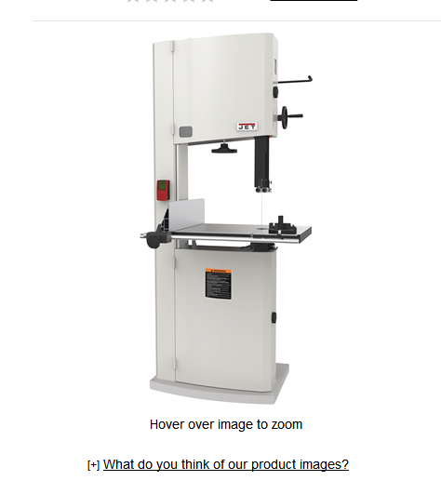 | 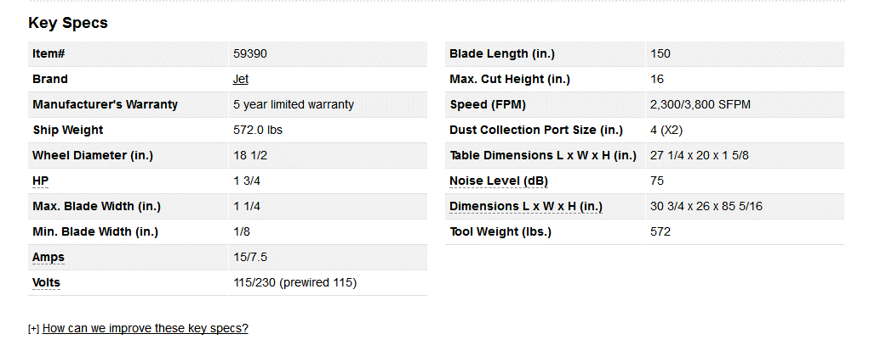 | https://www.northerntool.com/shop/tools/product_200694606_200694606?cm_mmc=Google-pla&utm_source=Google_PLA&utm_medium=Power%20Tools%20%3E%20Woodworking&utm_campaign=Jet&utm_content=59390&gclid=EAIaIQobChMI2uC6tPGL2wIVhUCGCh0-BQ2mEAQYASABEgLTvfD_BwE
13 | 线锯Jigsaw | 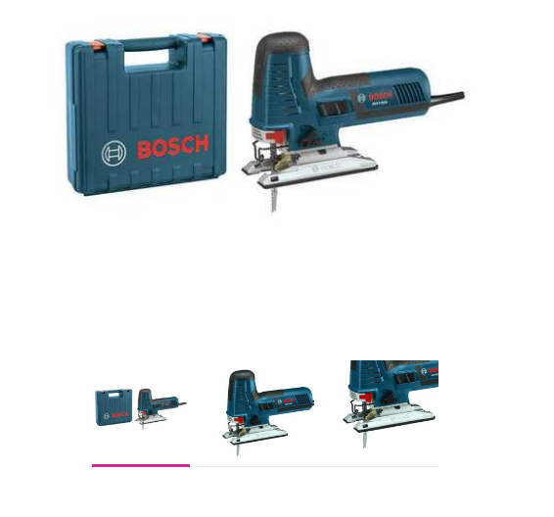 | 120V，4.9磅.BOSCH JS572EBK | https://www.walmart.com/ip/Jig-Saw-Kit-T-Shank-120V-4-9-lb-BOSCH-JS572EBK/52459894?wmlspartner=wlpa&selectedSellerId=1122&adid=22222222227040407515&wl0=&wl1=g&wl2=c&wl3=99307477114&wl4=pla-232388485714&wl5=2840&wl6=&wl7=&wl8=&wl9=pla&wl10=101593696&wl11=online&wl12=52459894&wl13=&veh=sem
14 | 带式砂磨机6” belt sander | 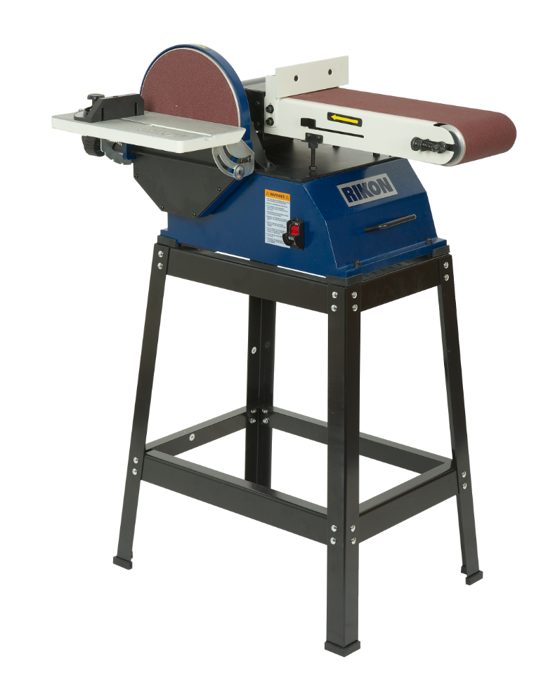 | RIKON电动工具6“x 48”皮带/ 10“圆盘砂光机 6“x 48”皮带/ 10“圆盘砂光机，适用于重型打磨作业.6”宽皮带和10直径圆盘可提供大型打磨表面，使木材表面成为一种快速有效的工作。 Sander包括一个钢架和搬运把手，可以高效地工作，然后在机器周围移动机器。 大型1马力电机提供超强动力，可驱动砂带和圆盘而不会失速。 圆盘台倾斜0-90°，可实现精确的角度打磨。 皮带可以从水平到垂直位置调整，等待工作需要。 无负荷砂光盘速度为2510转，皮带速度为1836 FPM。 | https://www.sears.com/rikon-power-tools-6inch-x-48inch-belt/p-00923389000P?sid=IDx01192011x202447059&gclid=EAIaIQobChMI9ZPT9PuL2wIVhkGGCh3-rgIlEAkYASABEgIvbfD_BwE&gclsrc=aw.ds&dclid=CLjuv_37i9sCFctGDAod-iIO1A
15 | 圆盘砂光机10英寸 disc sander | 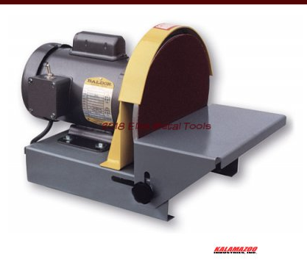 | 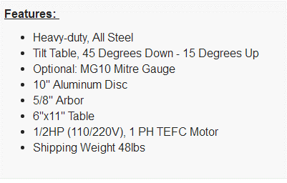 | https://www.elitemetaltools.com/tool-shop/products/kalamazoo-10-disc-sander-ds10?sku=DS10&gclid=EAIaIQobChMIh4i7pfyL2wIVjI7ICh1MMgjzEAkYCSABEgIv6PD_BwE
16 | 桌面数控铣削雕刻机Inventables Carvey Desktop CNC milling | 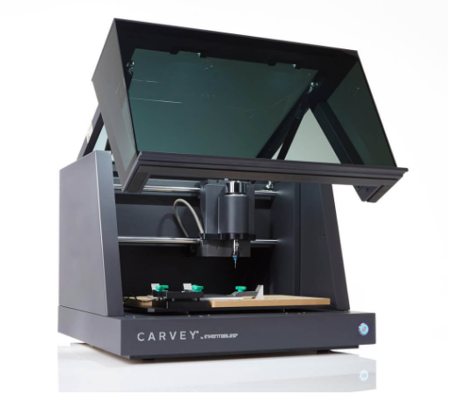 | 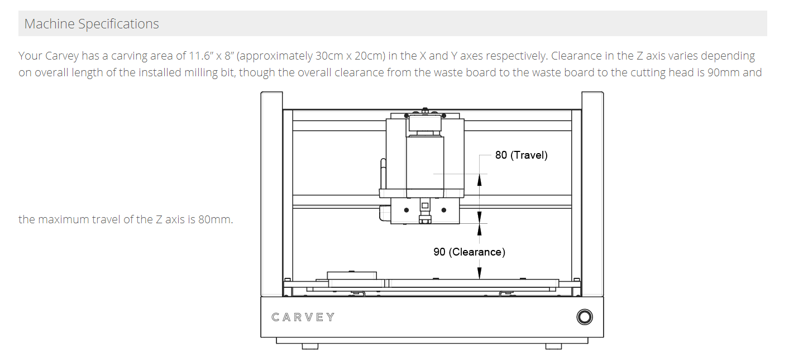 | https://www.inventables.com/technologies/carvey
17 | 桌面CNC刳刨机搭配套件 | 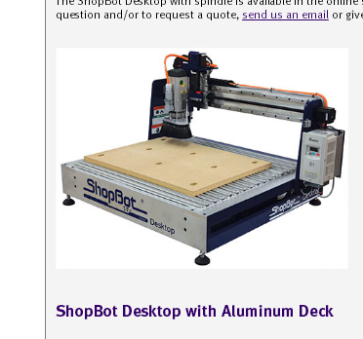 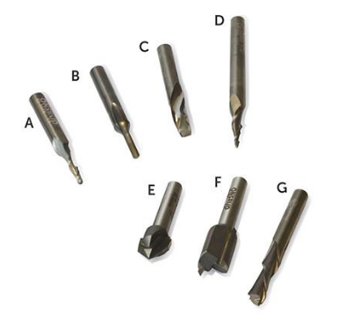 | 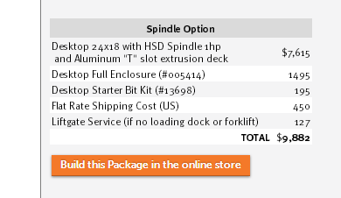 | http://www.shopbottools.com/mProducts/desktop.htm?_ga=2.94922332.1707686673.1536800200-739706868.1536800200
18 | 摆轴砂光机Oscillating spindle sander | 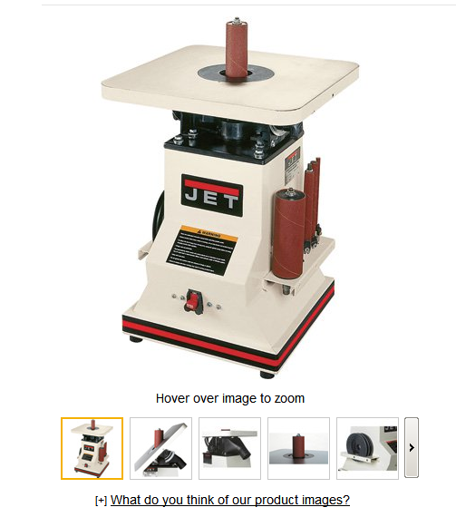 | 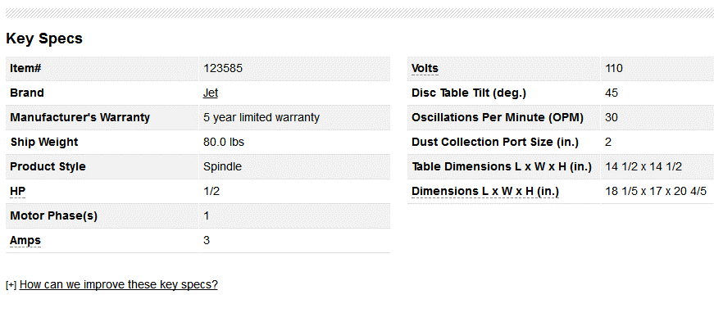 | https://www.northerntool.com/shop/tools/product_200448103_200448103?cm_mmc=Google-pla&utm_source=Google_PLA&utm_medium=Power%20Tools%20%3E%20Woodworking%20%3E%20Stationary%20Sanders&utm_campaign=Jet&utm_content=123585&gclid=EAIaIQobChMI1oyAkv2L2wIVCorICh3srQ-zEAkYAyABEgIt-fD_BwE
19

